Parcel per capita
Source: McKinsey&Company
https://www.mckinsey.com/industries/travel-logistics-and-infrastructure/our-insights/the-endgame-for-postal-networks-how-to-win-in-the-age-of-e-commerce
*1 an estimated 70 to 80 percent of all e-commerce purchases are delivered via networks rather than picked up in store


https://www.statista.com/statistics/974065/cross-border-delivery-package-weight-worldwide/
Less than 0.2 kg | 17 | in % | 0.1 | 0.017
0.2 kg to 0.5 kg | 30 | in % | 0.35 | 0.105
0.6 to 1 kg | 23 | in % | 0.8 | 0.184
1.1 kg to 2 kg | 14 | in % | 1.55 | 0.217
2.1 kg to 5 kg | 7 | in % | 3.55 | 0.2485
More than 5 kg | 4 | in % | 7.5 | 0.3
Don't know | 5 | in % |  | 1.0715

Rresidents
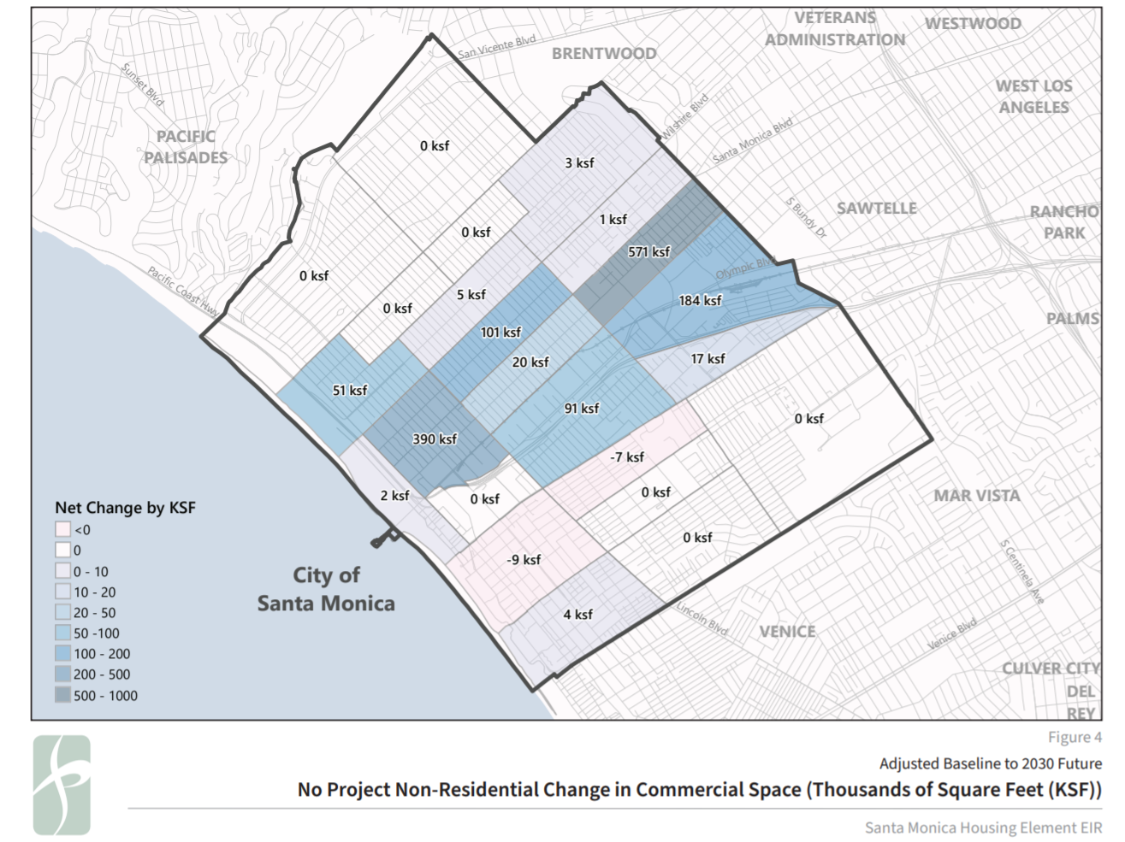
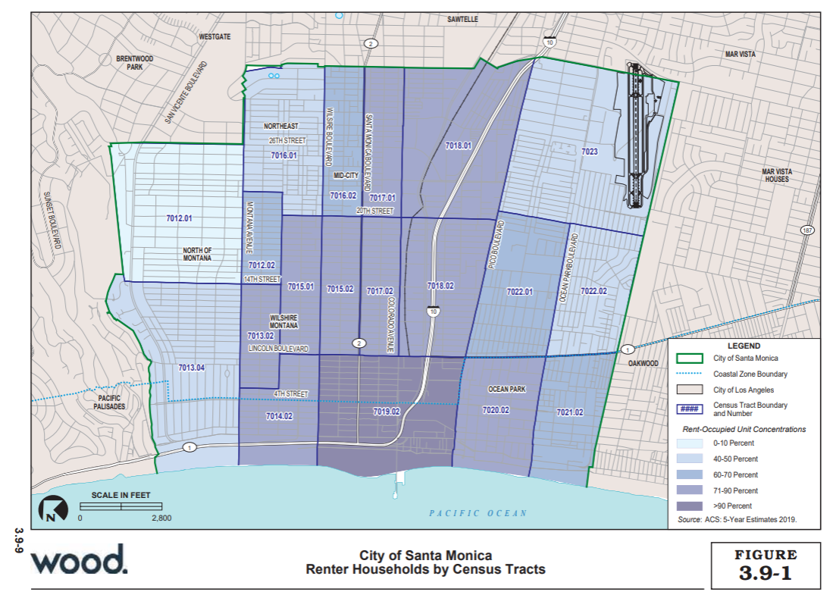

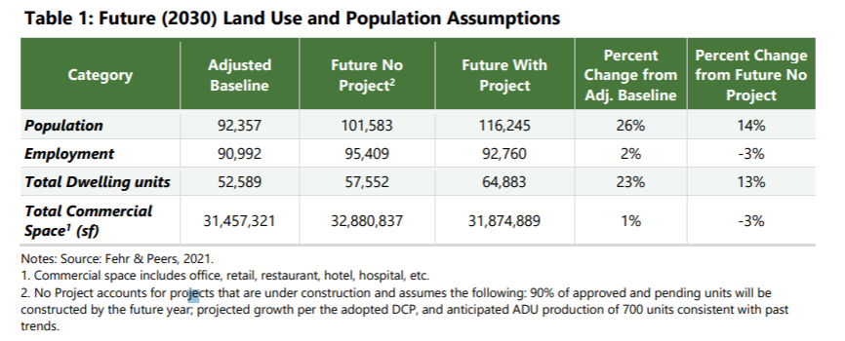

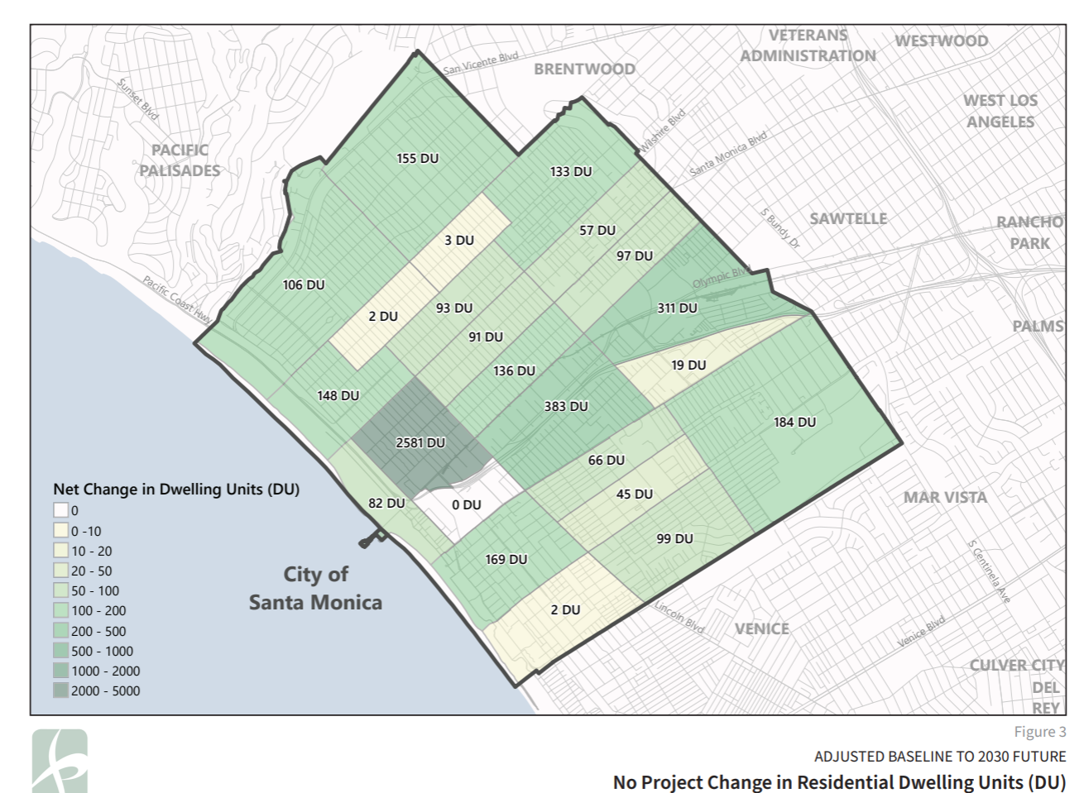
the_geom | GEO_ID | STATE | PLACE | COUNTY | TRACT | NAME | LSAD | SHAPE_AREA | SHAPE_LEN
POLYGON ((-118.45713399990501 34.00941899971378, -118.45710600031593 34.00943400003335, -118.4570279995998 34.009525999800836, -118.45699499998783 34.009585000173914, -118.45698900014006 34.009611999800946, -118.45697999991921 34.00965599983655, -118.45683500015426 34.00964900010316, -118.45671299995551 34.00967899991378, -118.45658999993188 34.00974000031517, -118.45644799964165 34.009801999994544, -118.45628799980808 34.009852000327534, -118.45624000012751 34.009861000175846, -118.45713399990501 34.00941899971378)) | 1580000US0670000037273100 | 6 | 70000 | 37 | 273100 |  |  | 757.22689952 | 241.77110876
POLYGON ((-118.4870530003987 34.04422400035208, -118.48697300003275 34.04415799962951, -118.48690100006272 34.04409900021452, -118.48656700015188 34.04382099981957, -118.48617100031677 34.043479000321994, -118.4856030000542 34.04299500024739, -118.48537000042568 34.04279799994434, -118.48522499976241 34.04267299993798, -118.48515500034051 34.042612000129985, -118.485019999723 34.04249599995914, -118.48444599961265 34.04200700030545, -118.48398100018055 34.041634999776655, -118.48376600009539 34.04143000025265, -118.48388300027126 34.0413330001163, -118.48427999993132 34.04103399996508, -118.48440499960476 34.04093999996364, -118.48462300006297 34.040758999794136, -118.48479700014025 34.04061399973746, -118.4849279996615 34.04050499997822, -118.48525599972454 34.04024699982615, -118.4854130000834 34.0401239999448, -118.48549699974897 34.04005799975332, -118.48593000029233 34.039690999669396, -118.48617999963926 34.03948699962973, -118.48626800040114 34.03941499989271, -118.48641800018896 34.03929200029355, -118.48667099990897 34.03908700031716, -118.48671000026701 34.03905500029067, -118.4871460002851 34.03870200022081, -118.48748199984578 34.03842900013571, -118.48759399999877 34.03834100009548, -118.48789799977237 34.038097000047955, -118.48806799965169 34.03795600033508, -118.48843599989772 34.03765100027043, -118.4885399996548 34.037566999869604, -118.48892799999231 34.037255999948016, -118.48895999977937 34.03722999992449, -118.48901599985587 34.03718000008585, -118.48910500044263 34.03710100017648, -118.48947399961527 34.03681000021507, -118.48953100041498 34.036765000362124, -118.48975200034792 34.03658700021362, -118.48995300018936 34.03642399970816, -118.49044199991091 34.03603099988695, -118.49061400033838 34.035891999980336, -118.49072499976812 34.03580100026082, -118.4909270003328 34.03563699997175, -118.49138599991711 34.03526199974903, -118.49145399968918 34.03520699991444, -118.49185999957005 34.034874999871384, -118.49231900005269 34.03450399984896, - | 1580000US0670000037701201 | 6 | 70000 | 37 | 701201 |  |  | 2835402.6235 | 6800.4292627
POLYGON ((-118.49072499976812 34.03580100026082, -118.49061400033838 34.035891999980336, -118.49044199991091 34.03603099988695, -118.48995300018936 34.03642399970816, -118.48975200034792 34.03658700021362, -118.48953100041498 34.036765000362124, -118.48947399961527 34.03681000021507, -118.48910500044263 34.03710100017648, -118.48901599985587 34.03718000008585, -118.48895999977937 34.03722999992449, -118.48892799999231 34.037255999948016, -118.4885399996548 34.037566999869604, -118.48843599989772 34.03765100027043, -118.48806799965169 34.03795600033508, -118.48789799977237 34.038097000047955, -118.48759399999877 34.03834100009548, -118.48701099966759 34.03782700020238, -118.48603599969923 34.03698599965869, -118.4852370003563 34.03630299974696, -118.48445200035874 34.03563000014757, -118.4845619999636 34.03554299994455, -118.48464999982716 34.035479000183216, -118.4849290003847 34.03527699996843, -118.48516899968592 34.03510499977488, -118.48540700023561 34.034894999758286, -118.48580499972053 34.03454500031245, -118.48587400021584 34.03448900023731, -118.48633899964794 34.03411599971111, -118.48667900030487 34.03384299975546, -118.48682200041999 34.03372700024737, -118.48729600007293 34.03334199964572, -118.48750100011236 34.03317700002288, -118.48776899990096 34.03296599990679, -118.48825500014776 34.032585000255416, -118.48865500018084 34.03227200033236, -118.4887430000444 34.03219899987982, -118.48919199958296 34.0318249999006, -118.48953499971465 34.03153900024922, -118.48966199993626 34.031437000166335, -118.4901370003124 34.03105600034881, -118.49032899993301 34.03090200023401, -118.49061599998817 34.030661999662286, -118.49078099984463 34.03052299989231, -118.49108600034147 34.03027700004128, -118.49141500022944 34.03001300033382, -118.49156900021524 34.029875999905244, -118.49195500000461 34.02953499985056, -118.49199600001248 34.02950299994321, -118.49206600033267 34.02956400024476, -118.49284100028449 34.03021099963309, -118.49351800032701 34.0307859996826 | 1580000US0670000037701202 | 6 | 70000 | 37 | 701202 |  |  | 590812.74633 | 3366.4261835
POLYGON ((-118.49390800031436 34.027982999748886, -118.49437899959423 34.02760100019917, -118.49484599957445 34.02722000028015, -118.49532199977551 34.02683099972342, -118.49544800017223 34.02672800006981, -118.49580200017455 34.02644499997302, -118.4962769996524 34.02606499995023, -118.49674399963261 34.02568100019706, -118.49718999969646 34.0253129998268, -118.49721399998592 34.02529399979875, -118.49767799959308 34.0249079997578, -118.49814700012145 34.024516999984336, -118.49823099978704 34.02444799988115, -118.49863599984299 34.024133999825025, -118.49894999966236 34.02388999986608, -118.49912399973964 34.02375200007304, -118.49959599974272 34.023380999808246, -118.50006799974585 34.023009000244336, -118.50054800014486 34.02262799981132, -118.50074399996346 34.02279399975885, -118.50160799960373 34.02353500017126, -118.50210300007134 34.02396499982134, -118.50221699987418 34.02406400025641, -118.5036620001958 34.02529800007934, -118.50343399969186 34.02548100024235, -118.50318599999474 34.02568299995599, -118.50284200003814 34.02596200011135, -118.50271499981655 34.02606099970585, -118.50248399983785 34.02625599967479, -118.5022400003387 34.026435999649316, -118.50178000003116 34.026833000199765, -118.50167899974882 34.026919999655966, -118.50130899985298 34.027217999812926, -118.50082500015431 34.02760700008455, -118.50059400017564 34.027793999898186, -118.50032600038703 34.0280069999243, -118.499881999973 34.028359999828524, -118.49982099987363 34.02840899980668, -118.49940400012213 34.02875599972378, -118.4990719998611 34.02903400035845, -118.49894899983747 34.02913200025257, -118.49867699985089 34.02934700031509, -118.49846299959064 34.02952099993913, -118.4980020003565 34.02989799988573, -118.49751100008683 34.03029700026768, -118.49725199962073 34.030506999754216, -118.49704900012948 34.03066999971706, -118.49673600013502 34.030920999750876, -118.49657499957821 34.03105499978818, -118.49619499963663 34.03136799973419, -118.49611099997104 34.03143499979853 | 1580000US0670000037701302 | 6 | 70000 | 37 | 701302 |  |  | 665695.48539 | 3655.306743
POLYGON ((-118.51002199964383 34.02007899987006, -118.51038099966902 34.0203829998744, -118.51076399998367 34.02068499965793, -118.51094800010668 34.02084500006437, -118.51145000024702 34.02122900010703, -118.51197800032662 34.02159900017218, -118.51273700038489 34.02211499994438, -118.51334400010722 34.02256100023843, -118.51352200038245 34.02269799981979, -118.51369300008666 34.02281300034657, -118.51390399997386 34.022938999747815, -118.51405600030985 34.02302299974109, -118.51450499984841 34.02333500037081, -118.51470999988783 34.02344100013763, -118.51509900005024 34.0236660002504, -118.51550199955807 34.0239139997101, -118.51584499968975 34.024161999934144, -118.51600299987349 34.02428900020657, -118.51645800015814 34.024600999904834, -118.51741499968483 34.02518000028568, -118.51607800021655 34.02626199965526, -118.51594199977413 34.026252000183874, -118.51562200010697 34.0262319997486, -118.51554000009122 34.02622599976599, -118.515477000342 34.02637699981963, -118.51524100034047 34.02693999992913, -118.51518000024109 34.02707099996372, -118.51498799972215 34.02754599986515, -118.51471099971275 34.02787300028483, -118.51461299980345 34.0279290002599, -118.51453099978768 34.02799699991407, -118.51412300025699 34.028421000207274, -118.51405999960949 34.02849099990438, -118.5139769997688 34.0285670001058, -118.51388499970729 34.02863099986996, -118.5138069998895 34.028678999847486, -118.51372499987374 34.02873900015348, -118.51350599959062 34.02899099978424, -118.5132579998935 34.02928599985755, -118.51264100012543 34.02992899981468, -118.51232399993302 34.03019400035435, -118.51195800023513 34.03049799986135, -118.51188200006716 34.03055199994883, -118.51168399970044 34.030668999896356, -118.51150299995048 34.0308000001298, -118.51138400012479 34.030944000022345, -118.51127799981957 34.03106699981454, -118.51113399987953 34.03116600015326, -118.51087399958851 34.031303999801096, -118.5106970000365 34.031414000028505, -118.51060699962484 34.03151200015162, -118 | 1580000US0670000037701304 | 6 | 70000 | 37 | 701304 |  |  | 3033855.5993 | 8005.5911947
POLYGON ((-118.50363000040875 34.01485100034962, -118.5044299995766 34.015559000160884, -118.50468099964678 34.01574099973257, -118.50485200024929 34.015882999872076, -118.50505700028872 34.016031999726316, -118.50541899978865 34.01637299968297, -118.50564999976731 34.016554999743384, -118.50588800031701 34.01676399974462, -118.50607200044003 34.01696200017249, -118.50679200014027 34.01757299975098, -118.50760300007707 34.01822099968872, -118.50786699966771 34.01842600019605, -118.50805800036176 34.018556000006924, -118.50857999969524 34.018925999810946, -118.50878399990974 34.019139999714085, -118.50889000021495 34.019234000043724, -118.50897499970549 34.01929300037171, -118.50910100010215 34.0193709997833, -118.5092459998671 34.01944799991488, -118.5093649996928 34.019537000144325, -118.50984000006893 34.019924999937274, -118.51002199964383 34.02007899987006, -118.50829699983801 34.021448999736485, -118.50820599960143 34.02153099985863, -118.5074640001599 34.02220099984956, -118.50698499958578 34.02261199967367, -118.50688300037686 34.022698999734416, -118.50651299958267 34.02299699982296, -118.50603300008198 34.023383000365925, -118.50554799966008 34.023773000250266, -118.50508200040306 34.024146000085636, -118.50465600043071 34.024493000310876, -118.50460700002692 34.02453199986989, -118.50456500019413 34.02456599994804, -118.50414300041973 34.024908999646385, -118.5036620001958 34.02529800007934, -118.50221699987418 34.02406400025641, -118.50210300007134 34.02396499982134, -118.50160799960373 34.02353500017126, -118.50074399996346 34.02279399975885, -118.50054800014486 34.02262799981132, -118.50006799974585 34.023009000244336, -118.49959599974272 34.023380999808246, -118.49912399973964 34.02375200007304, -118.49894999966236 34.02388999986608, -118.49863599984299 34.024133999825025, -118.49823099978704 34.02444799988115, -118.49814700012145 34.024516999984336, -118.49767799959308 34.0249079997578, -118.49700599957345 34.024347999998845, -118.49623900001758 34.02 | 1580000US0670000037701402 | 6 | 70000 | 37 | 701402 |  |  | 1210437.4592 | 4866.4667849
POLYGON ((-118.48836099955464 34.027178999999315, -118.48884500015164 34.026789999999146, -118.48896900000021 34.02669099976614, -118.489307000109 34.02641699987269, -118.48978999998276 34.0260289999774, -118.49000699971774 34.02584600025159, -118.49027100020669 34.025633000012675, -118.49033800015383 34.02557899977278, -118.49072399994323 34.02526000001227, -118.49119699977123 34.024866999848925, -118.49140099998573 34.02469699992482, -118.4916379998122 34.024505999669515, -118.49171099960712 34.02444699998714, -118.49212700043205 34.02410100021639, -118.49241000028927 34.023868999717855, -118.49261299978055 34.02371400005825, -118.49283700008654 34.02354300015349, -118.49308899998161 34.02333700018503, -118.49338600008252 34.023094000078224, -118.49356900038065 34.02294699978622, -118.49367499978754 34.02286199980506, -118.49404800005645 34.022558999661385, -118.49426399996652 34.02238399998988, -118.49449400012027 34.02219900000863, -118.49472500009894 34.02239200008059, -118.49478799984813 34.02240000017056, -118.49510699969036 34.02268199969533, -118.4955510001044 34.023093000168316, -118.49611099997104 34.02355900011563, -118.49623900001758 34.0236660002504, -118.49700599957345 34.024347999998845, -118.49767799959308 34.0249079997578, -118.49721399998592 34.02529399979875, -118.49718999969646 34.0253129998268, -118.49674399963261 34.02568100019706, -118.4962769996524 34.02606499995023, -118.49580200017455 34.02644499997302, -118.49544800017223 34.02672800006981, -118.49532199977551 34.02683099972342, -118.49484599957445 34.02722000028015, -118.49437899959423 34.02760100019917, -118.49390800031436 34.027982999748886, -118.49350999993112 34.028306999683494, -118.49343499958803 34.02836999979596, -118.4929740003539 34.02875499988052, -118.49282200001791 34.02888199997966, -118.4924909995818 34.02913099966929, -118.49199600001248 34.02950299994321, -118.49195500000461 34.02953499985056, -118.49156900021524 34.029875999905244, -118.49141500022944 34.03001300033382, | 1580000US0670000037701501 | 6 | 70000 | 37 | 701501 |  |  | 901261.37342 | 4554.3127908
POLYGON ((-118.489307000109 34.02641699987269, -118.48896900000021 34.02669099976614, -118.48884500015164 34.026789999999146, -118.48836099955464 34.027178999999315, -118.48805099993325 34.02742800021934, -118.4878919999246 34.02756000010242, -118.48756100038682 34.02783400002776, -118.48741700044678 34.0279490002952, -118.48695799996413 34.02831400011192, -118.4865679999768 34.02862400021219, -118.4864700000675 34.02870299982609, -118.48599800006441 34.02908500037067, -118.48592600009438 34.0291439998064, -118.4855059999698 34.02948000002561, -118.4853350002656 34.02961599977153, -118.48504300018753 34.02986100021981, -118.48490400027036 34.029977999631285, -118.48409800035643 34.03062399976386, -118.48381700014902 34.03085099982503, -118.4836549997673 34.030987000351296, -118.48362800000314 34.031008000227004, -118.48314199975634 34.031398000058424, -118.48235699975878 34.0307559998864, -118.48154499999704 34.03003100022149, -118.48112800024553 34.02965900002902, -118.4801259996147 34.02882500004658, -118.47997699965177 34.028698999706066, -118.48046500044671 34.028309000125, -118.48092099965797 34.02794099998387, -118.48095699964298 34.02791299963266, -118.4813640002471 34.02760200005602, -118.48143799986693 34.027541999690506, -118.4819070003953 34.02715799992041, -118.48237199982738 34.02678099971204, -118.48246700026195 34.026704000277114, -118.4828510004015 34.026397000220776, -118.48316600004578 34.02613900034277, -118.48331900020666 34.026010999985246, -118.48349800030678 34.02585900014744, -118.48378500036196 34.025622999722685, -118.4842099996111 34.02526600006317, -118.48425499981694 34.025230999636165, -118.48474199988866 34.024846999831766, -118.48520999969381 34.02447300020553, -118.48559700020641 34.024161999934144, -118.4856819996969 34.02409099974588, -118.4860979996235 34.02374300020826, -118.48615399970002 34.02369900002818, -118.48655399973309 34.023380999808246, -118.48663099972599 34.023315999899964, -118.48699399994914 34.023013999798934, -11 | 1580000US0670000037701502 | 6 | 70000 | 37 | 701502 |  |  | 890577.83347 | 4555.6323404
POLYGON ((-118.47946299981588 34.04507599972273, -118.47940300043972 34.04506600023579, -118.47917499993575 34.04502699969472, -118.47915400001939 34.04511100015067, -118.47913599957772 34.0451889996489, -118.47901500010222 34.045687000078736, -118.4784379996188 34.045628999883164, -118.47836200034915 34.04615199985299, -118.47834800010543 34.04626499983402, -118.4783229999911 34.04626800023327, -118.47821699968587 34.04628500001258, -118.47804900035467 34.04632300033888, -118.47786900042964 34.04637900004436, -118.47785299963779 34.04638399971057, -118.47771899974349 34.04643899974088, -118.47769700000218 34.04644800017554, -118.47754800003926 34.04652300028682, -118.47746000017571 34.04657600021627, -118.47740800029717 34.04660799963805, -118.4772829997254 34.046698999672174, -118.4771909996639 34.046619000064496, -118.47654999960638 34.04606399963837, -118.47625599987852 34.04581200010859, -118.47446499995048 34.04427900029474, -118.4743820001098 34.04420799982072, -118.47437200006406 34.04422400035208, -118.47434500029988 34.04425799998252, -118.47427800035274 34.04431400030728, -118.4737209999608 34.04403599987283, -118.47127499973158 34.04194199977844, -118.47151300028125 34.04174900025616, -118.47096000008729 34.041276000360504, -118.47108599958567 34.04117400007503, -118.47118799969293 34.04108200036907, -118.47176000015345 34.04061099988251, -118.471952999599 34.04045100027102, -118.4720089996755 34.04040699982249, -118.47228099966205 34.04018899963199, -118.4727700002819 34.039798000304124, -118.47284300007682 34.03973999980292, -118.47368900017375 34.0390569997344, -118.4739589996122 34.03883899979606, -118.47463200035506 34.03829100016735, -118.47496200006792 34.03802100019488, -118.47513199994725 34.03788400004283, -118.47555500044486 34.037540999941406, -118.47567300044565 34.037446000050025, -118.47597899986907 34.037197999941796, -118.47650299975072 34.03677599983211, -118.47705799959452 34.036331000307015, -118.47744500010711 34.03601100026787, -118 | 1580000US0670000037701601 | 6 | 70000 | 37 | 701601 |  |  | 1799422.9103 | 6022.5222504
POLYGON ((-118.46929100035801 34.03996900020339, -118.46821599993223 34.039050999914316, -118.46817400009942 34.039015000240596, -118.46772200018779 34.03862900009049, -118.46779499998271 34.03857299973382, -118.46782799959469 34.03854799984183, -118.46792399985418 34.03846500005813, -118.46864000025475 34.037886000258524, -118.46929800003069 34.03735499976435, -118.46958799956062 34.037119000049266, -118.46980199982083 34.03694499963062, -118.47039099999982 34.0364580002322, -118.4705240000692 34.036350999850654, -118.47069300012359 34.036216000234205, -118.47103299988221 34.035938000054955, -118.47146999972522 34.035587999701306, -118.4719879997591 34.03517199986578, -118.47247800020385 34.034779999972024, -118.47254699980083 34.03472600034228, -118.47284999974956 34.03448799971717, -118.47297500032133 34.03438399990378, -118.47336199993562 34.034060000097256, -118.47342200021008 34.034009999879046, -118.47414699993315 34.03342700029621, -118.47429199969811 34.033308000106096, -118.47469799957898 34.03297500028232, -118.47512600009946 34.03261900008472, -118.47532699994092 34.032453000000544, -118.47553299980522 34.032292000088496, -118.47592100014278 34.0319880003092, -118.47636200018371 34.03164399963712, -118.47635399978782 34.03157500011779, -118.47657600044396 34.031413000216574, -118.47691100017973 34.03113300030134, -118.47693100027122 34.031114999902975, -118.47738700038079 34.0307340001284, -118.47743699971119 34.03069499969741, -118.47790200004158 34.03031800031417, -118.47798300023246 34.03032400000743, -118.4783110002955 34.03005499981769, -118.47841400022767 34.02997199991354, -118.47879300034435 34.02966600034585, -118.47913599957772 34.02938800029288, -118.47925100010376 34.02929300020521, -118.4799089998797 34.02875400003725, -118.47997699965177 34.028698999706066, -118.4801259996147 34.02882500004658, -118.48112800024553 34.02965900002902, -118.48154499999704 34.03003100022149, -118.48235699975878 34.0307559998864, -118.48314199975634 34.031398000 | 1580000US0670000037701602 | 6 | 70000 | 37 | 701602 |  |  | 964286.28553 | 4835.1943489
POLYGON ((-118.46761800043073 34.033435000090336, -118.46777499989125 34.03330999968529, -118.46786600012786 34.0332330002196, -118.4681509996349 34.03299099995499, -118.46821500010729 34.032940000057266, -118.46828700007732 34.03288500020616, -118.46849999961435 34.03271700030484, -118.46872599957015 34.03254100019326, -118.46893900000548 34.032377000302056, -118.4692770001143 34.03210899972491, -118.46936499997783 34.03204299999735, -118.4693900000922 34.03206500016042, -118.46982100008742 34.03169799973969, -118.47026899980108 34.03134600013487, -118.47066499963621 34.03102800028103, -118.47112999996662 34.030668999896356, -118.47118600004309 34.03061700027049, -118.47124399976944 34.0305729999322, -118.47134599987669 34.03048800014469, -118.47141299982384 34.03043899987814, -118.47147100044846 34.03040300027198, -118.47228599968491 34.02973400009701, -118.47247599965571 34.029582000227734, -118.47253599993017 34.02953400001649, -118.47309900016987 34.02908100026865, -118.47361499965558 34.0286540000177, -118.47380799999944 34.02850599983201, -118.47384200033463 34.02847900025818, -118.47389400021319 34.02843899968822, -118.47408400018396 34.0282930003139, -118.47436799986612 34.02805000025273, -118.47444900005694 34.02797900033937, -118.47476000040156 34.02770699984904, -118.47493299975564 34.027576000051724, -118.47511299968068 34.02744000001416, -118.4755000001933 34.0271249999987, -118.4762049998249 34.02654899983939, -118.4767539998209 34.02611100014146, -118.47686599997388 34.0260129997364, -118.47710100015053 34.02621200005308, -118.47762800040522 34.02666199987906, -118.47775100042887 34.02676799995737, -118.47841099985462 34.027344000119115, -118.47938300034822 34.02820000018889, -118.47997699965177 34.028698999706066, -118.4799089998797 34.02875400003725, -118.47925100010376 34.02929300020521, -118.47913599957772 34.02938800029288, -118.47879300034435 34.02966600034585, -118.47841400022767 34.02997199991354, -118.4783110002955 34.03005499981769, -118.47 | 1580000US0670000037701701 | 6 | 70000 | 37 | 701701 |  |  | 958390.86365 | 4832.1369025
POLYGON ((-118.47686599997388 34.0260129997364, -118.47731299986262 34.02562199984252, -118.47739099968044 34.025558000042516, -118.477810999805 34.025221000043274, -118.47806799972297 34.025014999680764, -118.47827799978525 34.0248440001638, -118.47830799992245 34.0248199998383, -118.47878199957539 34.02446700009857, -118.47922599998942 34.02408899994942, -118.47926399962424 34.02405700022197, -118.47969399979456 34.02370699999495, -118.48015699957682 34.02333099999773, -118.48023199991988 34.02326999968276, -118.4806470000216 34.02294100031586, -118.4806770001588 34.02291700019674, -118.48111999984961 34.0225499996701, -118.48130399997262 34.02239800033427, -118.4816040004466 34.0221539998516, -118.48206499968073 34.02177900034512, -118.48235099991099 34.021542999742735, -118.48249700039918 34.02143499998011, -118.48254500007977 34.021401000136706, -118.48273400022565 34.02126799967678, -118.48303200015148 34.021010999776344, -118.48353599994162 34.02063700037062, -118.48399299987614 34.02028099978368, -118.48449199964341 34.019893000128945, -118.48495500032399 34.01951499971149, -118.48541499973321 34.01914099967057, -118.48588099988854 34.01876099970516, -118.48638999970157 34.01833299968222, -118.48684199961318 34.01795299982257, -118.48731299979137 34.01755700014955, -118.48775399983234 34.01718499963136, -118.48823400023136 34.016802999876724, -118.48849799982199 34.01704000023679, -118.48880300031885 34.01729800022534, -118.489046999818 34.017526000168615, -118.48934800011689 34.017788000059184, -118.48978599978479 34.01814999974267, -118.48995099964122 34.018279999976286, -118.49047399969797 34.01871999980513, -118.49094599970108 34.019129000191455, -118.49096199959459 34.01920399988643, -118.49109100036434 34.01932299975297, -118.49128299998496 34.01948399970104, -118.49096699961746 34.01973799990921, -118.4908479997918 34.01983800001133, -118.49038800038257 34.020224000030005, -118.49042900039045 34.02026000023156, -118.49008000041097 34.0205510003698, -1 | 1580000US0670000037701702 | 6 | 70000 | 37 | 701702 |  |  | 885852.65392 | 4538.7076199
POLYGON ((-118.4529999996799 34.02796100001635, -118.45302399996932 34.027916999789745, -118.45311699985575 34.02787199968666, -118.45322499981079 34.027819999835614, -118.45327900023744 34.0277949997527, -118.4535009999953 34.027690000068624, -118.45366099982887 34.02762600033925, -118.45419899995423 34.02740100030258, -118.45462499992657 34.027189000105935, -118.45498800014973 34.027005000039786, -118.45526799963388 34.02686000029725, -118.45556300008501 34.02673200028274, -118.4563439998846 34.026321000309366, -118.45653800005334 34.02623599998493, -118.45738900017311 34.02580199967279, -118.45797599980398 34.02551800032907, -118.45838699970771 34.02531100005915, -118.4588920002211 34.02506099969669, -118.4593990003843 34.024782000301705, -118.45956099986766 34.02470800021488, -118.45963000036296 34.02466200000767, -118.46044100029978 34.0242260000424, -118.46096699983124 34.02396499982134, -118.46143200016165 34.02370400028668, -118.46194400034774 34.02343699976951, -118.46250699968913 34.02313600000857, -118.46263499973563 34.02306700027164, -118.46276100013235 34.02299300017846, -118.46299399976084 34.02287099976331, -118.46352299966536 34.022590000037816, -118.46391100000288 34.0223810002349, -118.46455799990817 34.02202899995201, -118.46470100002328 34.021952999851564, -118.46507199974404 34.021757999674506, -118.46550899958704 34.02152800007346, -118.46557300005948 34.0214940002673, -118.46563699963359 34.02145999970297, -118.46570500030396 34.021423000080745, -118.4664960001493 34.02100700003824, -118.46685400034957 34.020825999780605, -118.46743000010974 34.02050200032169, -118.4674829998132 34.020480000138974, -118.46828500042751 34.02004600017391, -118.46847000037542 34.019952999945836, -118.46877199960092 34.01980099968198, -118.46892499976177 34.019715000323295, -118.46931099955117 34.01951800031234, -118.46940900035875 34.019460000093524, -118.46946999955983 34.019537000144325, -118.4696219998958 34.01972799966918, -118.46978299955425 34.019907000139 | 1580000US0670000037701801 | 6 | 70000 | 37 | 701801 |  |  | 2772327.8262 | 7105.854524
POLYGON ((-118.471002999745 34.01857799994379, -118.47156199978673 34.018289999642384, -118.47161000036566 34.01833299968222, -118.47217500025516 34.01803500034375, -118.47276100006108 34.017725000281565, -118.47300499956023 34.01759499994259, -118.47342499968481 34.017368000162065, -118.47417399969734 34.016961000190285, -118.47413199986454 34.016898999781866, -118.47440100037637 34.01676299976009, -118.47496899974064 34.01646200015811, -118.47555899974452 34.01615400029179, -118.47589000018063 34.0159670001469, -118.4759379998612 34.01593300034704, -118.4760220004251 34.01588799984642, -118.47608199980124 34.01585799999582, -118.47666400030752 34.015566000151615, -118.47683300036192 34.01546500022928, -118.47722499999908 34.01526500002852, -118.47757200032872 34.01507800015917, -118.47780699960705 34.01496600033882, -118.47796700033894 34.014873999764234, -118.4783940001362 34.014667000340694, -118.47895700037587 34.01436199995746, -118.47948000043262 34.01407700029358, -118.47953800015894 34.01405199988552, -118.48008799997984 34.0137619998263, -118.48039900032448 34.01360400026044, -118.48069100040253 34.013472000265736, -118.48108300003969 34.0132479999631, -118.48136699972181 34.013096999635, -118.48182500037953 34.01286300027266, -118.48235099991099 34.012571999841384, -118.48241500038341 34.01253800017116, -118.4825070004449 34.01249300010492, -118.48285700024928 34.012311000271964, -118.48291400015069 34.01227999986468, -118.4829900003187 34.012345000033086, -118.48339100017667 34.01268399984143, -118.48417699999915 34.013356999742086, -118.48472799964495 34.01383299971925, -118.48554899962751 34.0145459998828, -118.48578399980416 34.01475000032127, -118.4859479998357 34.01489299989109, -118.48632600012746 34.01522199992383, -118.48652100012113 34.015365000187785, -118.48697399985764 34.01573099976628, -118.48735999964704 34.01606500023838, -118.48741999992149 34.01611699984588, -118.48782499997743 34.016459000193834, -118.48823400023136 34.016802999876724, | 1580000US0670000037701802 | 6 | 70000 | 37 | 701802 |  |  | 1822310.8551 | 5631.4600811
POLYGON ((-118.49277699981207 34.00576699982933, -118.49314599988304 34.00612300021543, -118.49424800007299 34.007021999641296, -118.4960309996051 34.00819800025882, -118.4964669996232 34.0084110003137, -118.496988999855 34.00858300025128, -118.49809000022006 34.007718999694106, -118.49827500016796 34.0078570002334, -118.498058000433 34.008026000286115, -118.4984600001159 34.0083779998053, -118.49921199960316 34.007807000214996, -118.49947000024434 34.00749299966483, -118.49979300028453 34.00731100028479, -118.49986500025456 34.00738200035939, -118.49995099956998 34.007391999819724, -118.50001099984443 34.007421000333146, -118.50003699978372 34.00746999974014, -118.5000440003547 34.00756499968009, -118.50007699996668 34.007603000222055, -118.49972700016231 34.00788900011053, -118.4996350001008 34.00780000032919, -118.4994300000614 34.00797600036722, -118.49933799999988 34.00791600027681, -118.49865799958431 34.00844299998212, -118.49873100027754 34.008510000272715, -118.49854600032964 34.00867400011632, -118.49846099994082 34.008610000196896, -118.49791299976972 34.00906100033518, -118.49832200002365 34.00942299999781, -118.49919400005982 34.00991099972949, -118.49971600029164 34.01003699966549, -118.49993999969932 34.01019700003576, -118.5002970000747 34.01049900031338, -118.50091100036802 34.011129999769075, -118.50102000014797 34.01123699993395, -118.50112599955489 34.011364000184386, -118.50121099994368 34.01148399991808, -118.5012910003096 34.01161700007017, -118.5014159999831 34.01179299964316, -118.5015149997173 34.011974999841854, -118.50160699977882 34.012167000037685, -118.50202899955319 34.01283800025175, -118.50223299976767 34.01318299974138, -118.50237900025587 34.013415999687005, -118.50250999977715 34.01361299971106, -118.50291900003104 34.01418899979748, -118.50361199996709 34.01483500023519, -118.50363000040875 34.01485100034962, -118.50211300011709 34.01610899990832, -118.50178900025199 34.01634599997219, -118.50168799996966 34.01641799992651, -118 | 1580000US0670000037701902 | 6 | 70000 | 37 | 701902 |  |  | 2613205.7769 | 7254.7245018
POLYGON ((-118.48736100037024 33.999995999760564, -118.48737899991362 34.000011000255085, -118.48754499959495 34.000127999850754, -118.48778300014465 34.000242999671904, -118.48801400012334 34.00042900001148, -118.48828500028498 34.000720999778984, -118.48907699995522 34.00180300035298, -118.48957900009557 34.002408000112986, -118.4918910004305 34.00489099966262, -118.49243899970328 34.005441000003366, -118.49277699981207 34.00576699982933, -118.49171300015527 34.006610000190264, -118.49133999988635 34.00686099988952, -118.4912710002894 34.00683999999652, -118.49123100010642 34.00681799999666, -118.4909969997547 34.006983000228985, -118.49073800018691 34.00717499979787, -118.49042900039045 34.0073890002796, -118.49032899993301 34.007459000194864, -118.49028999957496 34.0074949998522, -118.49026600018382 34.007516999676675, -118.49014800018303 34.00759400013443, -118.48997300028086 34.00771199980104, -118.48962500012631 34.00793000002863, -118.48965500026353 34.00797099992693, -118.48936499983532 34.008187000063224, -118.48931100030697 34.00822500032686, -118.4889189997715 34.00850700002742, -118.48830899967611 34.00892100010942, -118.48816399991118 34.00902100029421, -118.48763599983155 34.0093879997399, -118.48728600002718 34.009632999753045, -118.48726000008793 34.009609000339225, -118.48703400013211 34.00974900017535, -118.48672899963528 34.00995799980433, -118.48635399971654 34.0102199999665, -118.48558399978762 34.01077100010263, -118.48520899986887 34.01102100010962, -118.48502899994384 34.01112799966726, -118.48434799970335 34.011522000195505, -118.48406700039428 34.01166700007904, -118.4840549998004 34.01167399964603, -118.48357000027681 34.01193999989121, -118.48346999981939 34.011991999791384, -118.4829779997248 34.012246000077525, -118.48291400015069 34.01227999986468, -118.48215799956716 34.011641999705965, -118.48205100033533 34.0115510000431, -118.48187600043316 34.01140399986622, -118.48133400010985 34.01096099993679, -118.48126399978965 34.0109039998 | 1580000US0670000037702002 | 6 | 70000 | 37 | 702002 |  |  | 1477893.7991 | 4992.6058106
POLYGON ((-118.48736100037024 33.999995999760564, -118.48661200035772 34.000609999814756, -118.48577899978129 34.000905999645326, -118.48541399990829 34.001174999867295, -118.48440999962762 34.00188100019351, -118.48443200026725 34.00190199982324, -118.48444800016077 34.001919000299914, -118.48433600000779 34.00200599996997, -118.48388200044634 34.002319999955326, -118.48320500040384 34.00279999984292, -118.48304800004499 34.00290599993029, -118.48236599997962 34.00329600005445, -118.48175599988423 34.00368700001573, -118.4814649996311 34.00387099998797, -118.48137199974468 34.003928999686124, -118.4809509997952 34.00419599975021, -118.48075900017459 34.00431700006348, -118.48044100015727 34.00451099995984, -118.47998599987261 34.00478800019534, -118.47986399967388 34.00485900014515, -118.47963100004534 34.004997000119154, -118.479317000226 34.00518299972921, -118.4790059998814 34.005367000183874, -118.47863699981043 34.00558599984521, -118.47854099955097 34.005644999977015, -118.47826600008966 34.005815000077185, -118.4780009997758 34.005964999839165, -118.4775790000014 34.00620400013879, -118.47745199977982 34.006280000189676, -118.47728799974827 34.0063789996543, -118.47675999966869 34.00667799979638, -118.47661599972862 34.00675899993508, -118.4763110001301 34.006935999996855, -118.47590600007415 34.00663000003625, -118.47566800042276 34.00644800029607, -118.47556899979026 34.00637399986462, -118.47519499969644 34.00609199978302, -118.4750630003503 34.005991999872414, -118.47467699966259 34.00570299995309, -118.47414799975807 34.0053110002172, -118.47394299971866 34.005158999802454, -118.47354600005863 34.00486600027333, -118.47321499962253 34.004620999911474, -118.47267400002247 34.00421600016469, -118.47255799967148 34.004128999779546, -118.47234400030955 34.00396799975617, -118.47205499970623 34.00375700000358, -118.47193500005565 34.00366999989298, -118.4717989996132 34.003571000249295, -118.47171499994761 34.00351200016606, -118.47158000022841 34.0034160000 | 1580000US0670000037702102 | 6 | 70000 | 37 | 702102 |  |  | 1360793.6889 | 5046.0361113
POLYGON ((-118.4763110001301 34.006935999996855, -118.47662199957641 34.00717200025009, -118.47674600032329 34.00727200026052, -118.47711700004403 34.00757399977084, -118.47727699987765 34.00770399981621, -118.47755899990993 34.00793000002863, -118.47773999965989 34.00807600017556, -118.47793100035393 34.00822899992246, -118.47819599976947 34.00844099981702, -118.47842199972528 34.008623999834306, -118.47873999974259 34.00887999992512, -118.47896200039877 34.00905900018463, -118.47915400001939 34.00921199964974, -118.4795499998545 34.00952699987061, -118.47989299998618 34.00979999986144, -118.48042100006579 34.01022500027436, -118.48055300031025 34.01033200009042, -118.48060600001371 34.01037399963344, -118.48109399991034 34.010764999771744, -118.48126399978965 34.010903999882245, -118.48133400010985 34.01096099993679, -118.48187600043316 34.01140399986622, -118.48205100033533 34.0115510000431, -118.48215799956716 34.011641999705965, -118.48291400015069 34.01227999986468, -118.48285700024928 34.012311000271964, -118.4825070004449 34.01249300010492, -118.48241500038341 34.01253800017116, -118.48235099991099 34.012571999841384, -118.48182500037953 34.01286300027266, -118.48136699972181 34.013096999635, -118.48108300003969 34.0132479999631, -118.48069100040253 34.013472000265736, -118.48039900032448 34.01360400026044, -118.48008799997984 34.0137619998263, -118.47953800015894 34.01405199988552, -118.47948000043262 34.01407700029358, -118.47895700037587 34.01436199995746, -118.4783940001362 34.014667000340694, -118.47796700033894 34.014873999764234, -118.47780699960705 34.01496600033882, -118.47757200032872 34.01507800015917, -118.47722499999908 34.01526500002852, -118.47683300036192 34.01546500022928, -118.47666400030752 34.015566000151615, -118.47608199980124 34.01585799999582, -118.4760220004251 34.01588799984642, -118.4759379998612 34.01593300034704, -118.47589000018063 34.0159670001469, -118.47555899974452 34.01615400029179, -118.47496899974064 34.01646200015811, -1 | 1580000US0670000037702201 | 6 | 70000 | 37 | 702201 |  |  | 1756935.1626 | 5605.3801587
POLYGON ((-118.47394299971866 34.005158999802454, -118.47414799975807 34.0053110002172, -118.47467699966259 34.00570299995309, -118.4750630003503 34.005991999872414, -118.47519499969644 34.00609199978302, -118.47556899979026 34.00637399986462, -118.47566800042276 34.00644800029607, -118.47590600007415 34.00663000003625, -118.4763110001301 34.006935999996855, -118.4755939999046 34.00735000029115, -118.47524300027534 34.00753800014695, -118.47510299963493 34.00761000012412, -118.47474500033296 34.007811999920264, -118.47450900033141 34.00794499986661, -118.473755000296 34.00838799989303, -118.47351900029444 34.00852600008976, -118.47291500004685 34.008868999817814, -118.47219799982138 34.009297999967814, -118.4718689999334 34.00948700004915, -118.47167999978753 34.009596000188466, -118.47140199995319 34.00975900010155, -118.47068200025292 34.010187000161075, -118.47024600023487 34.01046100032272, -118.4698179997144 34.01073100012259, -118.46946200006221 34.010933999994116, -118.46858400017825 34.01144799971791, -118.46772600038577 34.01194700018034, -118.46684799960349 34.01246099972889, -118.46665799963269 34.012571999841384, -118.46568500021249 34.01312799974397, -118.46557899990727 34.01319099995464, -118.46516999965334 34.0134360001639, -118.46514299988918 34.013451999797375, -118.46496499961395 34.01355900001455, -118.46462999987817 34.01375100035146, -118.46384599970553 34.01420099997489, -118.46364900006205 34.01431600009999, -118.46357500044219 34.01425600002176, -118.46343599962674 34.01411800020226, -118.46324999985389 34.01388900002292, -118.46320700019619 34.01383699979539, -118.46292599998878 34.01348199975354, -118.46257799983422 34.01308099993463, -118.46224300009847 34.01269500019916, -118.46193699977671 34.01234099988671, -118.46187999987531 34.01227200031022, -118.46154500013958 34.011872000031005, -118.46120399965771 34.011464999772954, -118.46087300011992 34.011067000263075, -118.46064999963885 34.010797000042324, -118.46053199963808 34.01066199998 | 1580000US0670000037702202 | 6 | 70000 | 37 | 702202 |  |  | 1478436.4559 | 5092.3403578
POLYGON ((-118.45875699960355 34.00855600029712, -118.45914599976598 34.009025999928056, -118.4594980001185 34.00945099974696, -118.4597590002344 34.00976499975893, -118.4598300003795 34.00984699999771, -118.46018100000879 34.010259000126126, -118.46053199963808 34.01066199998239, -118.46064999963885 34.010797000042324, -118.46087300011992 34.011067000263075, -118.46120399965771 34.011464999772954, -118.46154500013958 34.011872000031005, -118.46187999987531 34.01227200031022, -118.46193699977671 34.01234099988671, -118.46224300009847 34.01269500019916, -118.46257799983422 34.01308099993463, -118.46292599998878 34.01348199975354, -118.46320700019619 34.01383699979539, -118.46324999985389 34.01388900002292, -118.46343599962674 34.01411800020226, -118.46357500044219 34.01425600002176, -118.46364900006205 34.01431600009999, -118.46380999972052 34.014446000248014, -118.46399200019373 34.01464000008733, -118.46411199984432 34.01476799972323, -118.46431699988372 34.01502499991026, -118.46474799987897 34.01557900013289, -118.46532500036236 34.016246000223866, -118.46576800005315 34.01679400001965, -118.4658979997495 34.01694599971131, -118.46620999991902 34.01731099994143, -118.46654600037799 34.01765899979069, -118.46678200037957 34.017954999763546, -118.46715099955219 34.018433999915196, -118.467564999829 34.01889400037053, -118.46791399980843 34.01930000005459, -118.46822400032814 34.019656000288585, -118.46847000037542 34.019952999945836, -118.46828500042751 34.02004600017391, -118.4674829998132 34.020480000138974, -118.46743000010974 34.02050200032169, -118.46685400034957 34.020825999780605, -118.4664960001493 34.02100700003824, -118.46570500030396 34.021423000080745, -118.46563699963359 34.02145999970297, -118.46557300005948 34.0214940002673, -118.46550899958704 34.02152800007346, -118.46507199974404 34.021757999674506, -118.46470100002328 34.021952999851564, -118.46455799990817 34.02202899995201, -118.46391100000288 34.0223810002349, -118.46352299966536 34.0225900000 | 1580000US0670000037702300 | 6 | 70000 | 37 | 702300 |  |  | 3792883.997 | 7793.6419764
https://data.smgov.net/dataset/Census-Tracts/diw8-bjw6

VMT
